Sheet1
Improvements report
Date 21.05.2024
Quality assurance |  |  | Figma mockup | https://www.figma.com/proto/mfiRnc80Dr3k3AQPH0pdac/Animation?page-id=0%3A1&type=design&node-id=1-6&t=xiXq939xtHFmsmeE-0&scaling=min-zoom&starting-point-node-id=1%3A6&fbclid=IwZXh0bgNhZW0CMTAAAR0gusq4YWF0Kq1NOp-Yduyy85jO1eKcWGzD4KYjkwVYw45eqyIChFJWhaM_aem_Afndmm18tZ3U938kdLl5Jbn-qot_ngxc6H5qZLxMrVLmbHNeZTmO4dyHUVDfigrReq5yroplfecY16WlKiCARG4O
 |  |  |  | https://www.figma.com/design/BYKmFrilQPOx8JZJXrY1lg/TechEasy-Landing-page?node-id=0-1

Number | Description | Expected result | Attachment | Mockup
1 | There are no images below the button "Get started" and there is no three dots indicator below the slide images | There should be slide images and three dots as in the mocku indicating on what page the user is | 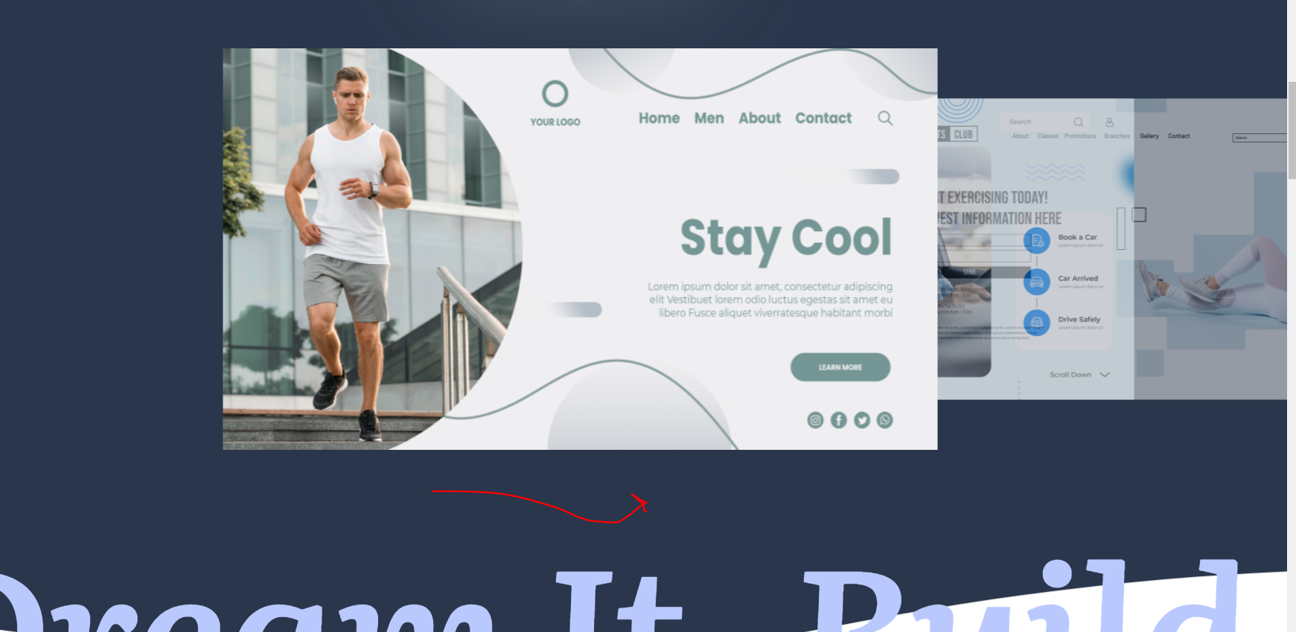
2 | The top header is not displayed all the time when scrolling down (same on all pages) | 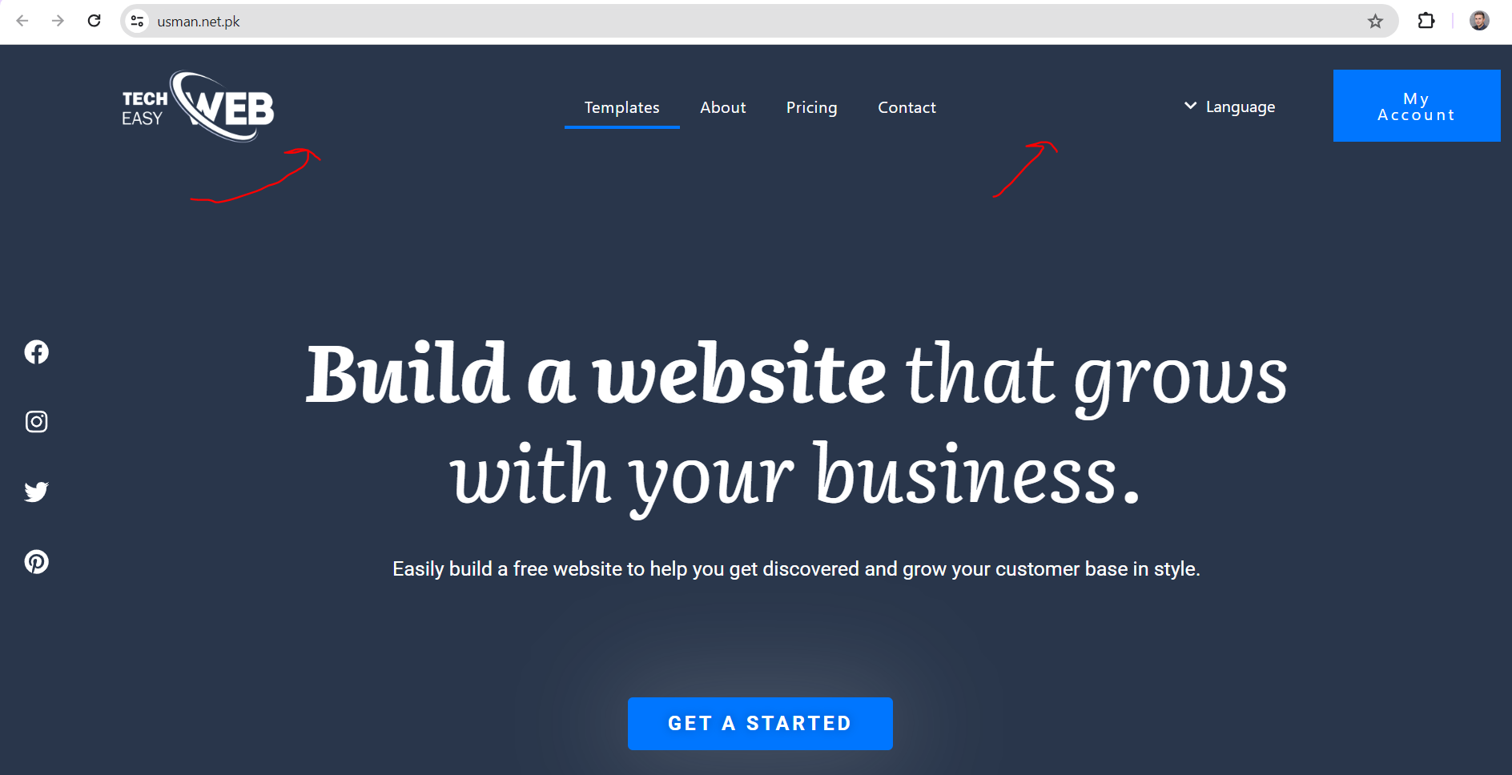 The header should be fixed and when scrolling down to be stll displayed
3 | When selecting the text is not same as in the mockup and line selector should be above text (check mockup) Language the countries should be MKD and EN and also the button is not same as in mockup (there should no be white background) and the flag is not allignet to the text EN My account mockup is not same font | Should be as per mockup | 
4 | There is no slide buttons as in the mockup | There should be buttons to switch the images and the image to be selected | 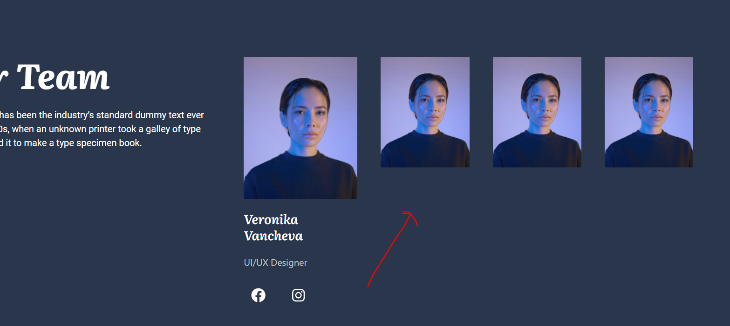
5 | In contact page, email and contact text color is not the same and overlap (check mockup right) | Should be same as per mockup | 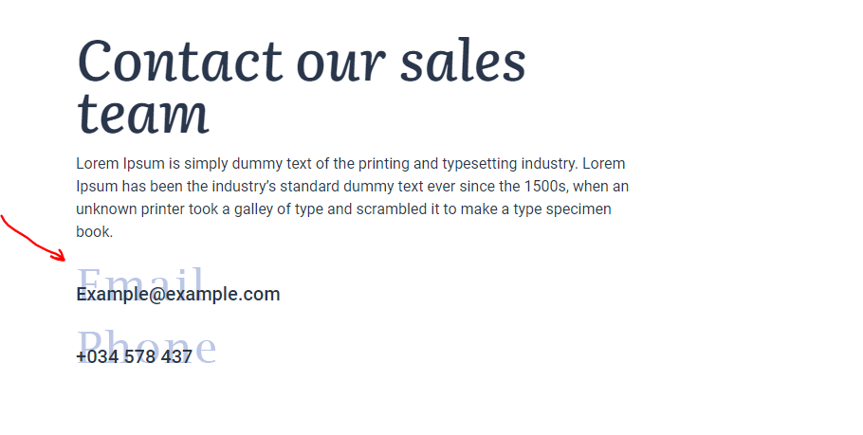
6 | There are no circles around the text - Build a website.. | Check the mockup | 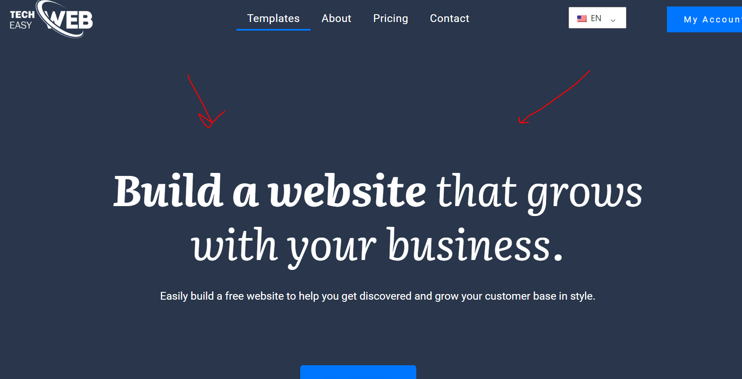
7 | There are no circles around the text - Whatever you do.. | Check the mockup | 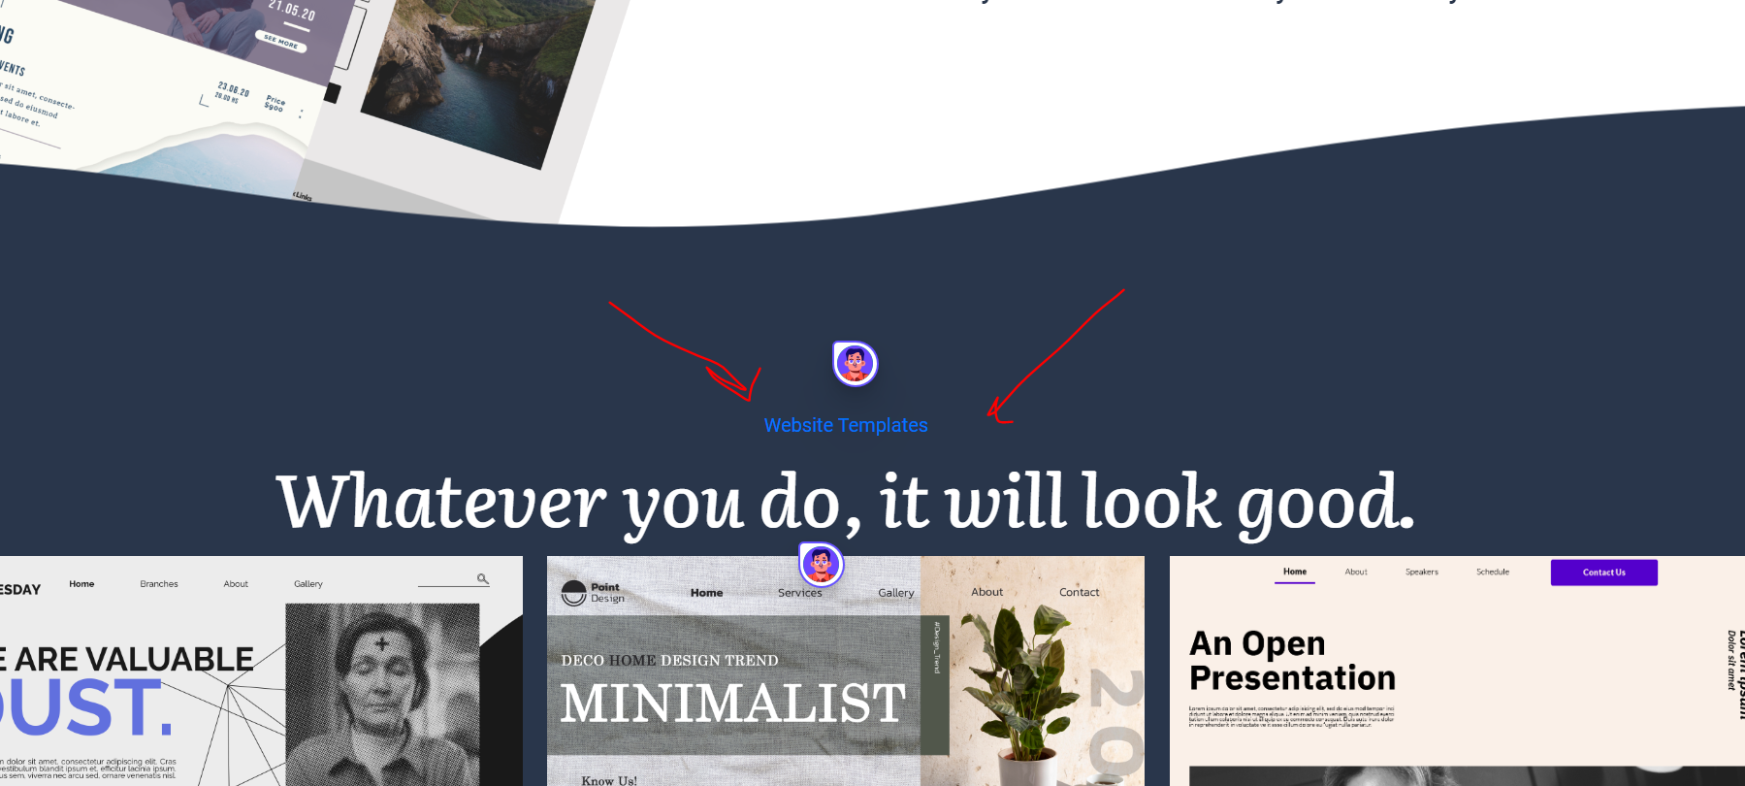 | https://www.figma.com/design/BYKmFrilQPOx8JZJXrY1lg/TechEasy-Landing-page?node-id=0-1
8 | There should be more space between text and images (check mockup) | Check the mockup | 
9 | Text is missing in this part, you can notice there is white text in background | Check the mockup | 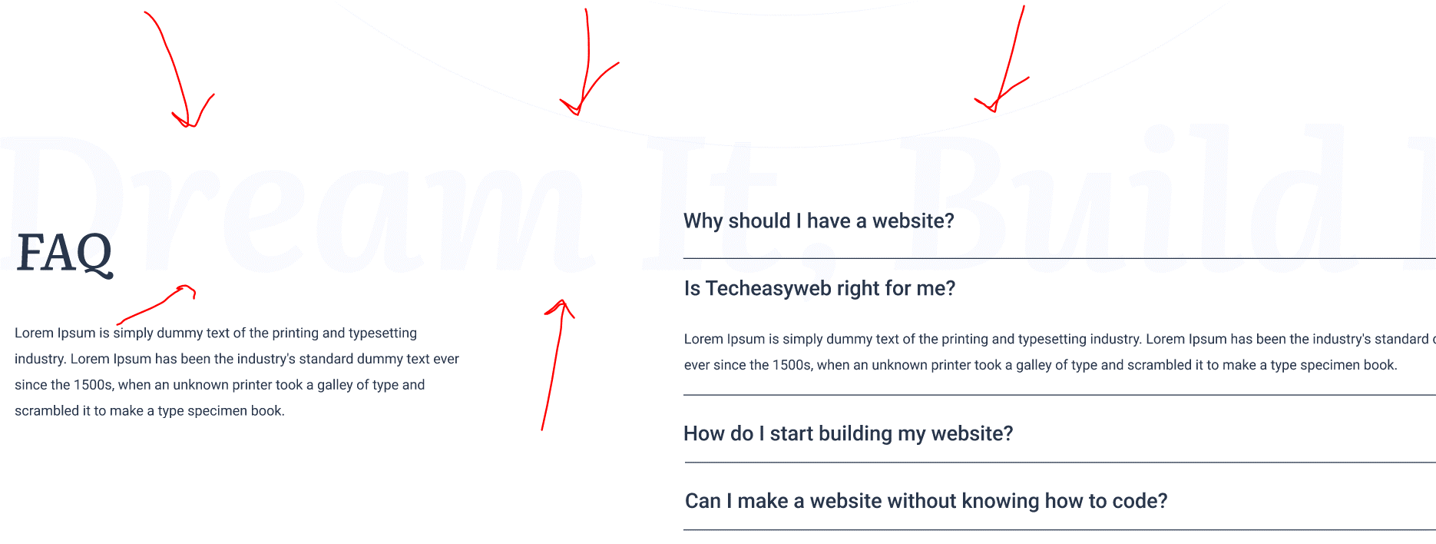
10 | This modal is not same as in the mockup, check mockup please | Check the mockup | 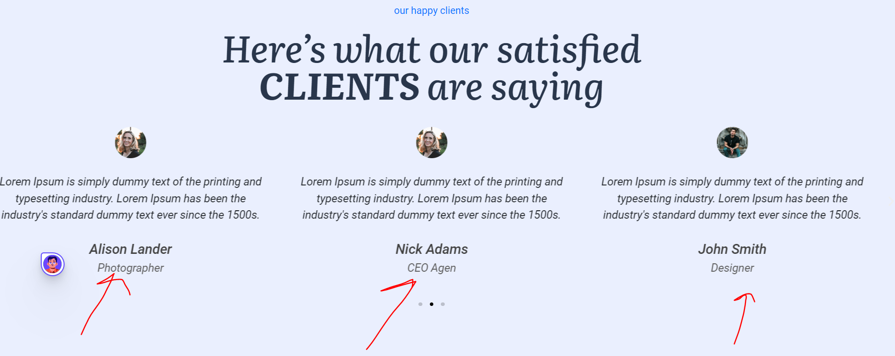
11
12
13

